Today's Menu
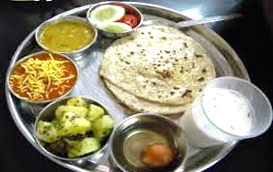 Canteen Menu Aug-2023

Canteen | Sabji-1 | Sabji-2 | Special Item | Regular

ANYA | Soyabin | Potato | (blank) | Dal-Rice-Roti-Salad

SKAPS | Soyabin | tuver | (blank) | Dal-Rice-Roti-Salad

